NCP51530
Power Losses Breakdown
NCP51530 - 700V H/L Side Driver |  |  |  |  |  |  | Inputs | 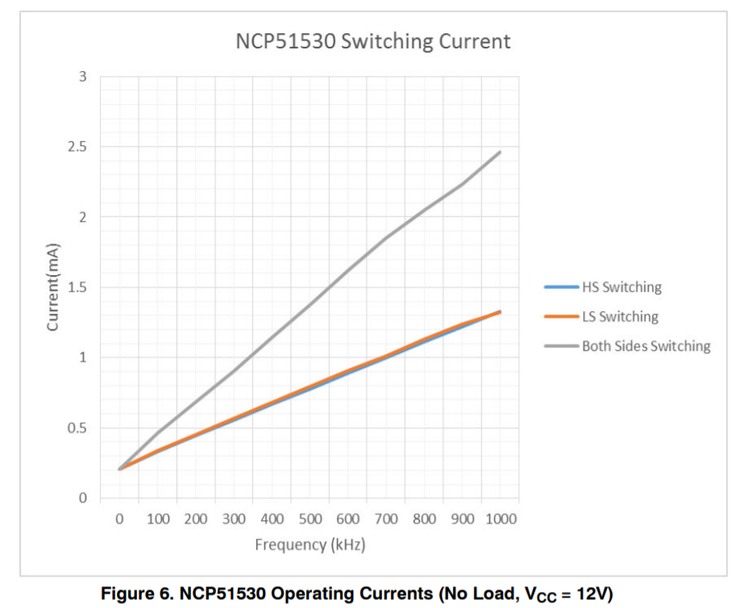 `
 |  |  |  |  |  |  | Fixed value
 |  |  |  |  |  |  | Calculated Cells
Inputs |  | Symbol | Description | Value |  | Unit | Comment
Application |  | VR | Supply voltage (Rail Voltage) | 400 |  | V
 |  | Fsw | Switching frequency | 100 |  | kHz
 |  | Qg | High Side Power Switch Total gate charge (QgH) | 30 |  | nC | Qg of HS external FET
 |  |  | Low Side Power Switch Total gate charge (QgL) | 30 |  | nC | Qg of LS external FET
 |  | Rgon/Rgoff | HS External Gate resistor (RgonH and RgoffH ) | 0 | 0 | Ohm | Left HS On & Right HS Off
 |  |  | LS External Gate resistor (RgonL and RgoffL ) | 0 | 0 | Ohm | Left LS On & Right LS Off
 |  | VCC | Supply voltage | 15 |  | V
 |  | Vf_DBOOT | Forward voltage drop of Boostrap diode | 1 |  | V
Driver characteristics |  | IO | Peak source/sink current | 3.5 | 3.0 | A | Refer to datasheet
 |  | IHBQ (ILK) | Leakage current HV pin | 11 |  | uA | Refer to datasheet
 |  | ICCO | Low Side Operating current | 0.32 |  | mA | Refer to ICCOcurve (No load)
 |  | IBO | High Side Operating current | 0.32 |  | mA | Refer to IBO curve (No load)
 |  | RON/ROFF | Internal pull up and down resistance (RON, ROFF) | 1.7 | 2.0 | Ohm | RON / ROFF
Level shifter |  | Qp | Internal charge of level shift switch | 0.65 |  | nC

Power dissipation
 |  |  |  |  |  |  | % of total power loss
High Side | Static | PLK | Leakage loss | 4.6 |  | mW | 3%
 | Dynamic | PLS | Level shift loss | 26.9 |  | mW | 21%
Low Side | Dynamic | Pd | Operating current loss | 9.3 |  | mW | 7%
Gate driving loss |  | Pg | Gate driving loss | 90.0 |  | mW | 69%

NCP51530 Operating Current (No load)
Junction Temp based on RθJA
 |  |  |  | SOIC8 | DFN10 4*4
 |  | Ptotal | Total power loss | 130.7 |  | mW
 |  | Rthja | Junction to ambient thermal resistance | 183 | 162 | ℃/W
 |  | Ta | Ambient temperature | 50 | 50 | ℃
 |  | TJ | Estimated junction temperature | 73.9 | 71.2 | ℃

Junction Temp based on ψJT
 |  |  |  | SOIC8 | DFN10 4*4
 |  | Ptotal | Total power loss | 130.7 |  | mW
 |  | ψJT | Junction to top case thermal characteristic |  |  | ℃/W
 |  | Ta | Top case temperature |  |  | ℃
 |  | TJ | Estimated junction temperature | 0.0 | 0.0 | ℃

